2020
Hybrids
Hybrid #1 | P1360HR | Identified as the less flood-tolerant hybrid |  | H2 > H1 by 1.33
Hybrid #2 | P1498AM | Identified as the more flood-tolerant hybrid
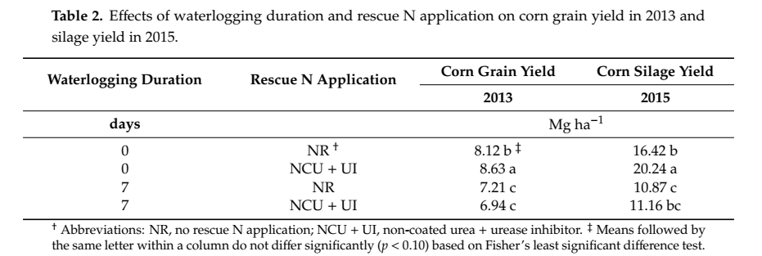

 | 2013 | 2014 | 2015
N application | 2025-05-14 | 18 Apr. | 22 Apr.
N amount | 168 kg n/ha | 168 kg n/ha | 168 kg n/ha
Planting | 2025-05-15 | 18 Apr. | 22 Apr.
Waterlogging | 2025-06-03 | 2025-05-15 | 2025-05-13
Rescue N Application | 2025-07-01 | 2025-06-09 | 2025-06-07
Amount of rescue N | No defined-- based on EONR at V7
Harvested | 18 Sep. | 29 Sep. | 16 Sep.

 |  |  |  |  | Overall summary of data
 |  |  |  |  | Year | WLD | Prepalnt N | Rescue N | Hybrid | GY_Mgha
 |  |  |  |  | 2013 | 0 | -- | -- | avg | 8.12
 |  |  |  |  | 2013 | 7 | -- | -- | avg | 7.21
 |  |  |  |  | 2015 | 0 | -- | -- | avg | 4.84
 |  |  |  |  | 2015 | 0 | non coated urea | -- | avg | 7.4
 |  |  |  |  | 2015 | 7 | -- | -- | avg | 3.96
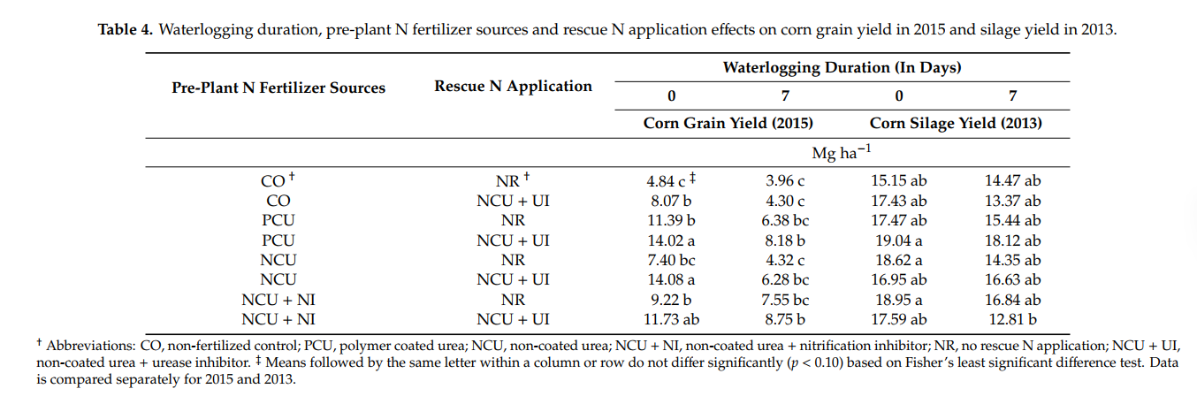
 |  |  |  |  | 2015 | 7 | non coated urea | -- | avg | 4.32
 |  |  |  |  |  |  |  |  | H2 > H1 by 1.33

Corn Grain Yield

Hybrid #2

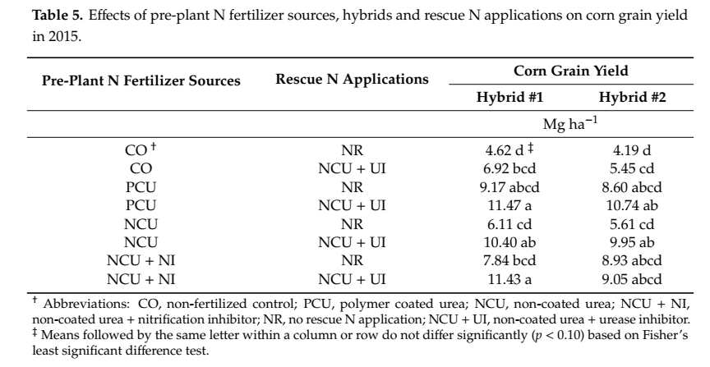
NR | 4.62 d ‡ | 4.19 d
NCU + UI | 6.92 bcd | 5.45 cd
NR | 9.17 abcd | 8.60 abcd
NCU + UI | 11.47 a | 10.74 ab
NR | 6.11 cd | 5.61 cd
NCU + UI | 10.40 ab | 9.95 ab
NR | 7.84 bcd | 8.93 abcd
NCU + UI | 11.43 a | 9.05 abcd

2017
 |  |  |  |  |  |  |  |  |  |  |  | Crop/Year | Field treatments and management | Date | Rate
 |  |  |  |  | 2013 |  |  | 2014 |  |  |  | 2013 | Pre-plant N application and incorporation | 2025-05-14 | 168 kg N ha–1
 |  |  |  |  | FLD | GY_Mgha |  | FLD | GY_Mgha |  |  |  | Rescue-N | 2025-07-08 | 84 kg N ha–1
 | 2013 |  | 2014 |  | -0.012170677416 | 9.6798635644 |  | 0.031628257234 | 14.280113844 |  |  |  | Planting | 2025-05-14 | 70040 seeds_ha
 | Yield, Mg ha–1 |  | Yield, Mg ha–1 |  | 1.0108639077 | 9.5657094763 |  | 1.0060576529 | 13.085682012 |  |  |  | Waterlogging treatments | 2025-06-18
CO‡ | 8.51 |  | 10.52 |  | 3.0091806111 | 8.6971284289 |  | 3.0256924218 | 11.217222782 |  |  |  | Harvesting | 2025-09-23
PCU | 8.7 |  | 12.41 |  | 7.0172870131 | 6.880031894 |  | 7.0098450703 | 9.0399893687 |  |  | 2014 | Pre-plant N application and incorporation | 2025-04-11 | 168 kg N ha–1
NCU | 8.96 |  | 12.67 |  |  |  |  |  |  |  |  |  | Rescue-N | 2025-06-23 | 84 kg N ha–1
NCU+NI | 8.75 |  | 12.52 |  |  |  |  |  |  |  |  |  | Planting | 2025-04-11 | 81510 seeds_ha
No rescue | 8.72 |  | 11.82 |  |  |  |  |  |  |  |  |  | Waterlogging treatments | 2025-05-29
Rescue | 8.73 |  | 12.24 |  |  |  |  |  |  |  |  |  | Harvesting | 2025-09-25
 |  |  |  |  | Year | Trt | Days | GY_kgha
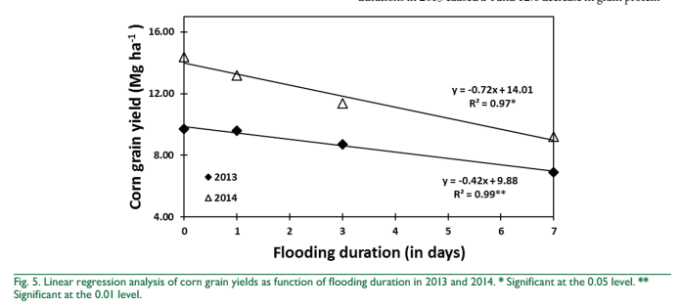
CO, non-fertilized control; |  |  |  |  | 2013 | FL | 0 | 9679.8635644
NCU, non-coated urea; |  |  |  |  | 2013 | FL | 1 | 9565.7094763
PCU, polymer coated urea; |  |  |  |  | 2013 | FL | 3 | 8697.1284289
NCU+NI, non-coated urea + nitrification inhibitor |  |  |  |  | 2013 | FL | 7 | 6880.031894 |  |  | 2799.8316703
 |  |  |  |  | 2014 | FL | 0 | 14280.113844
 |  |  |  |  | 2014 | FL | 1 | 13085.682012
 |  |  |  |  | 2014 | FL | 3 | 11217.222782
Year | Pre-plant N Treatment | GY_kgha |  |  | 2014 | FL | 7 | 9039.9893687
2013 | CO (Control) | 8.51
 | NCU | 8.96
2014 | CO (Control) | 10.52
 | NCU | 12.67

 |  |  |  | Final data
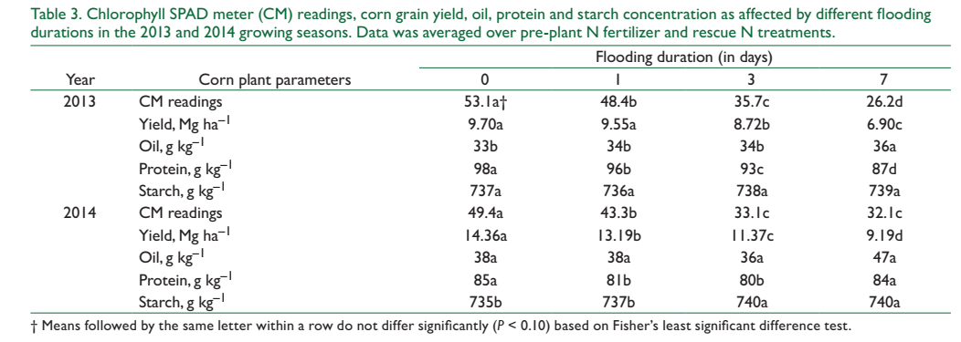
 |  |  |  |  | Year | Trt | Days | GY_kgha | Protein_%
 |  |  |  |  | 2013 | FL | 0 | 9700 | 9.8
 |  |  |  |  | 2013 | FL | 1 | 9550 | 9.6
 |  |  |  |  | 2013 | FL | 3 | 8720 | 9.3
 |  |  |  |  | 2013 | FL | 7 | 6900 | 8.7
 |  |  |  |  | 2014 | FL | 0 | 14360 | 8.5
 |  |  |  |  | 2014 | FL | 1 | 13190 | 8.1
 |  |  |  |  | 2014 | FL | 3 | 11370 | 8
 |  |  |  |  | 2014 | FL | 7 | 9190 | 8.4

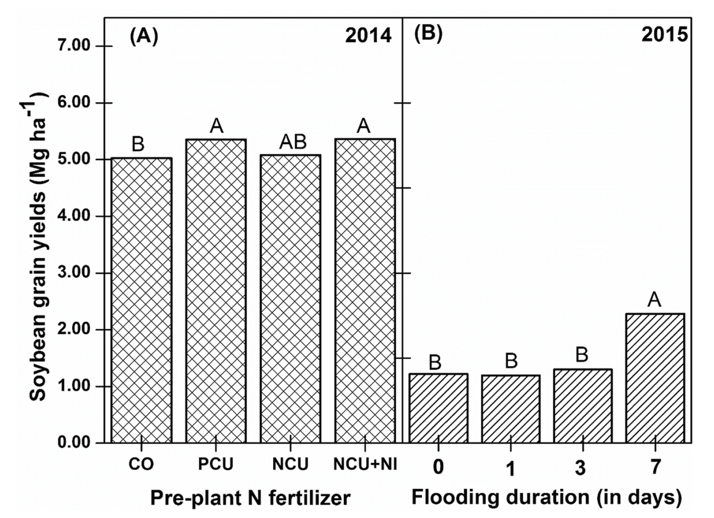

 |  |  |  |  |  |  |  |  |  | 0 | 1.2298484848
 |  |  |  |  |  |  |  |  |  | 1 | 1.2187121212
 |  |  |  |  |  |  |  |  |  | 3 | 1.3265909091
 |  |  |  |  |  |  |  |  |  | 7 | 2.3210606061

2019
 |  |  |  |  |  |  |  |  |  | Year | 2013
 |  |  |  |  |  |  |  |  |  | Green house pot experimentation
 |  |  |  |  |  |  |  |  |  | Start of water logging | V2

Shoot biomass
 |  |  | assuming 8.1 pl/m2
Corn hybrid | WLD | Shoot biomass g/pl | Shoot biomass g/m2 | Shoot biomass kg/ha | WLD | Average of Shoot biomass | StdDev of Shoot biomass | Row Labels | Average of Shoot biomass
1 | 0 | 5.8333333333 | 47.25 | 472.5 | 0 | 6.1011904762 | 0.22721750367 | 0 | 6.1011904762
1 | 14 | 2.7380952381 | 22.178571429 | 221.78571429 | 14 | 2.7827380952 | 0.31133366733 | 14 | 2.7827380952
1 | 21 | 2.8571428571 | 23.142857143 | 231.42857143 | 21 | 2.693452381 | 0.27691597769 | 21 | 2.693452381
2 | 0 | 6.0714285714 | 49.178571429 | 491.78571429
2 | 14 | 3.0952380952 | 25.071428571 | 250.71428571
2 | 21 | 2.8571428571 | 23.142857143 | 231.42857143
3 | 0 | 5.9523809524 | 48.214285714 | 482.14285714 | WLD | Average of Shoot biomass | StdDev of Shoot biomass
3 | 14 | 2.9761904762 | 24.107142857 | 241.07142857 | 0 | 6.1011904762 | 0.22721750367
3 | 21 | 2.7380952381 | 22.178571429 | 221.78571429 | 14 | 2.7827380952 | 0.31133366733
4 | 0 | 6.0714285714 | 49.178571429 | 491.78571429 | 21 | 2.693452381 | 0.27691597769
4 | 14 | 3.0952380952 | 25.071428571 | 250.71428571
4 | 21 | 2.9761904762 | 24.107142857 | 241.07142857
5 | 0 | 5.9523809524 | 48.214285714 | 482.14285714
5 | 14 | 2.619047619 | 21.214285714 | 212.14285714
5 | 21 | 2.2619047619 | 18.321428571 | 183.21428571
6 | 0 | 6.5476190476 | 53.035714286 | 530.35714286
Shoot biomass
6 | 14 | 2.8571428571 | 23.142857143 | 231.42857143
6 | 21 | 2.8571428571 | 23.142857143 | 231.42857143
7 | 0 | 6.3095238095 | 51.107142857 | 511.07142857
7 | 14 | 2.1428571429 | 17.357142857 | 173.57142857
7 | 21 | 2.2619047619 | 18.321428571 | 183.21428571
8 | 0 | 6.0714285714 | 49.178571429 | 491.78571429
8 | 14 | 2.7380952381 | 22.178571429 | 221.78571429
8 | 21 | 2.7380952381 | 22.178571429 | 221.78571429

Corn hybrid | WLD | Root biomass/pl | Root biomass/m2 |  | WLD | Average of Root biomass | StdDev of Root biomass
1 | 0 | 3.0952380952 | 25.071428571 |  | 0 | 3.6458333333 | 0.75006073612
1 | 14 | 2.0238095238 | 16.392857143 |  | 14 | 2.3660714286 | 0.36241851737
1 | 21 | 1.0714285714 | 8.6785714286 |  | 21 | 1.3541666667 | 0.25403689194
2 | 0 | 3.2142857143 | 26.035714286
2 | 14 | 2.5 | 20.25
2 | 21 | 1.3095238095 | 10.607142857
3 | 0 | 3.9285714286 | 31.821428571
3 | 14 | 2.5 | 20.25
3 | 21 | 1.4285714286 | 11.571428571
4 | 0 | 3.5714285714 | 28.928571429
4 | 14 | 2.7380952381 | 22.178571429
4 | 21 | 1.9047619048 | 15.428571429
5 | 0 | 3.6904761905 | 29.892857143
5 | 14 | 2.619047619 | 21.214285714
5 | 21 | 1.1904761905 | 9.6428571429
6 | 0 | 3.6904761905 | 29.892857143
6 | 14 | 2.2619047619 | 18.321428571
6 | 21 | 1.3095238095 | 10.607142857
7 | 0 | 2.7380952381 | 22.178571429
7 | 14 | 1.6666666667 | 13.5
7 | 21 | 1.1904761905 | 9.6428571429
8 | 0 | 5.2380952381 | 42.428571429
8 | 14 | 2.619047619 | 21.214285714
8 | 21 | 1.4285714286 | 11.571428571

2021
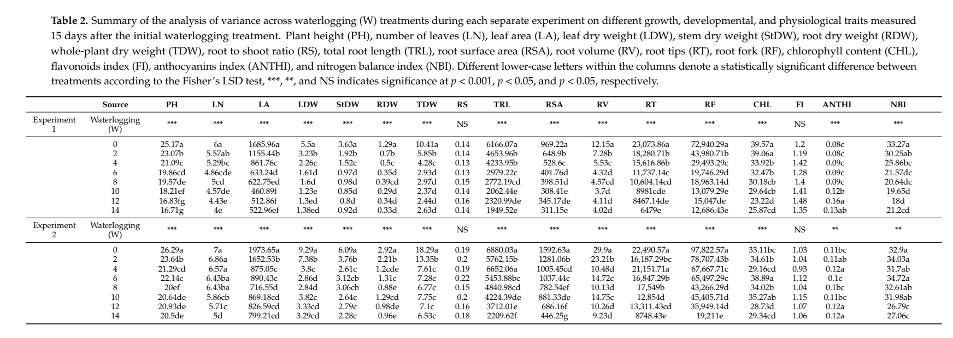

 |  | plant.height | # leaves | leaf area | leaf dry wt | stem dry wt | root dry wt | whole pl dry wt | root to shoot ratio | tot root length | root surface area | root vol | root tips | root fork | chl content | flavonoids index | anthocyanins index | nitrogen balance index
 | Source | PH | LN | LA | LDW | StDW | RDW | TDW | RS | TRL | RSA | RV | RT | RF | CHL | FI | ANTHI | NBI
Experiment 1 | Waterlogging |  |  |  |  |  |  |  | NS |  |  |  |  |  |  | NS

 | 0 | 25.17 | 6 | 1685.96 | 5.5 | 3.63 | 1.29 | 10.41 | 0.14 | 6166.07 | 969.22 | 12.15 | 23073.86 | 72940.29 | 39.57 | 1.2 | 0.08 | 33.27
 | 2 | 23.07 | 5.57 | 1155.44 | 3.23 | 1.92 | 0.7 | 5.85 | 0.14 | 4653.96 | 648.9 | 7.28 | 18280.71 | 43980.71 | 39.06 | 1.19 | 2.25 | 30.25
 | 4 | 21.09 | 5.29 | 861.76 | 2.26 | 1.52 | 0.5 | 4.28 | 0.13 | 4233.95 | 528.6 | 5.53 | 15616.86 | 29493.29 | 33.92 | 1.42 | 4.41 | 25.86
 | 6 | 19.86 | 4.86 | 633.24 | 1.61 | 0.97 | 0.35 | 2.93 | 0.13 | 2979.22 | 401.76 | 4.32 | 11737.14 | 19746.29 | 32.47 | 1.28 | 6.63 | 21.57
 | 8 | 19.57 | 5 | 622.75 | 1.6 | 0.98 | 0.39 | 2.97 | 0.15 | 2772.19 | 398.51 | 4.57 | 10604.14 | 18963.14 | 30.18 | 1.4 | 8.82 | 20.64
 | 10 | 18.21 | 4.57 | 460.89 | 1.23 | 0.85 | 0.29 | 2.37 | 0.14 | 2062.44 | 308.41 | 3.7 | 8981 | 13079.29 | 29.64 | 1.41 | 10.1 | 19.65
 | 12 | 16.83 | 4.43 | 512.86 | 1.3 | 0.8 | 0.34 | 2.44 | 0.16 | 2320.99 | 345.17 | 4.11 | 8467.14 | 15047 | 23.22 | 1.48 | 12.122 | 18
 | 14 | 16.71 | 4 | 522.96 | 1.38 | 0.92 | 0.33 | 2.63 | 0.14 | 1949.52 | 311.15 | 4.02 | 6479 | 12686.43 | 25.87 | 1.35 | 14.142 | 21.2

 | Waterlogging |  |  |  |  |  |  |  | NS |  |  |  |  |  |  | NS
Experiment 2 | 0 | 26.29 | 7 | 1973.65 | 9.29 | 6.09 | 2.92 | 18.29 | 0.19 | 6880.03 | 1592.63 | 29.9 | 22490.57 | 97822.57 | 33.11 | 1.03 | 0.11 | 32.9
 | 2 | 23.64 | 6.86 | 1652.53 | 7.38 | 3.76 | 2.21 | 13.35 | 0.2 | 5762.15 | 1281.06 | 23.21 | 16187.29 | 78707.43 | 34.61 | 1.04 | 0.11 | 34.03
 | 4 | 21.29 | 6.57 | 875.05 | 3.8 | 2.61 | 1.2 | 7.61 | 0.19 | 6652.06 | 1005.45 | 10.48 | 21151.71 | 67677.71 | 29.16 | 0.93 | 0.12 | 31.7
 | 6 | 22.14 | 6.43 | 890.43 | 2.86 | 3.12 | 1.31 | 7.28 | 0.22 | 5453.88 | 1037.44 | 14.72 | 16847.29 | 65497.29 | 38.89 | 1.12 | 0.1 | 34.72
 | 8 | 20 | 6.43 | 716.55 | 2.84 | 3.06 | 0.88 | 6.77 | 0.15 | 4840.98 | 782.54 | 10.13 | 17549 | 43266.29 | 34.02 | 1.04 | 0.1 | 32.61
 | 10 | 20.64 | 5.86 | 869.18 | 3.82 | 2.64 | 1.29 | 7.75 | 0.2 | 4224.39 | 881.33 | 14.75 | 12854 | 45405.71 | 35.27 | 1.15 | 0.11 | 31.98
 | 12 | 20.93 | 5.71 | 826.59 | 3.33 | 2.79 | 0.98 | 7.1 | 0.16 | 3712.01 | 686.16 | 10.26 | 13311.43 | 35949.14 | 28.73 | 1.07 | 0.12 | 26.79
 | 14 | 20.5 | 5 | 799.21 | 3.29 | 2.28 | 0.96 | 6.53 | 0.18 | 2209.62 | 446.25 | 9.23 | 8748.43 | 19211 | 29.34 | 1.06 | 0.12 | 27.06

Category |  | Details
Location |  | Environmental Plant Physiology Laboratory, Mississippi State University, MS, USA (33°28′N, 88°47′W)
Years of Study |  | 2017 (Exp. 1), 2018 (Exp. 2)
Experimental Setup |  | Outdoor pot culture; 30.5 × 15.2 cm PVC pots with drainage hole; arranged in twin-rows; rain shelters used
Soil Type |  | 3:1 mix of fine sand and sandy loam (87% sand, 11% silt, 2% clay)
Irrigation & Nutrition |  | Full-strength Hoagland’s nutrient solution, 3× per day for 90 s
Corn Hybrids |  | Exp. 1: Pioneer P2089VYHR; Exp. 2: Agrigold A6659
Waterlogging Treatments |  | 0, 2, 4, 6, 8, 10, 12, 14 days starting at V2 stage (second leaf)
Oxygen Monitoring |  | Apogee SO-110 sensors in 3 pots per treatment to track soil O₂ levels
Harvest Time |  | 15 days after treatment (23 days after sowing)
Measured Parameters |  | Shoot: Plant height (PH), leaf number (LN), leaf area (LA); Root: Total root length (TRL), root surface area (RSA), root volume (RV), root tips (RT), root forks (RF); Biomass: Leaf, stem, root, and total dry weights (LDW, StDW, RDW, TDW); root:shoot ratio (RS); Physiology: Chlorophyll (CHL), anthocyanins (ANTH), flavonoids (FLAV), nitrogen balance index (NBI)
Instrumentation |  | Dualex® Scientific (leaf pigments), LI-3100 (leaf area), WinRHIZO Pro 2009C (root morphology), Epson 11000XL scanner
Data Normalization |  | WSRI (Waterlogging Stress Response Index) calculated as: WSRI = (value under stress) / (value under control)
Statistical Design |  | Completely Randomized Design (CRD); separate analysis for each experiment
Statistical Analysis |  | ANOVA using PROC GLM in SAS 9.2; Fisher’s LSD (α = 0.05); Graphs with SigmaPlot 13

